UA Coorong WQ
 | AED Classification |  |  | Description
 | WQ |  |  | Coorong WQ Data
 | Fux | UA Sed Flux
 | Fux | UA Sed Flux | Component 4 grain size results with GPS.xlsx
 | Fux | UA Sed Flux | Component 4 sediment results with GPS.xlsx
 | Fux | UA Sed Flux | Coorong GHG's (Coorong February 2021).xlsx
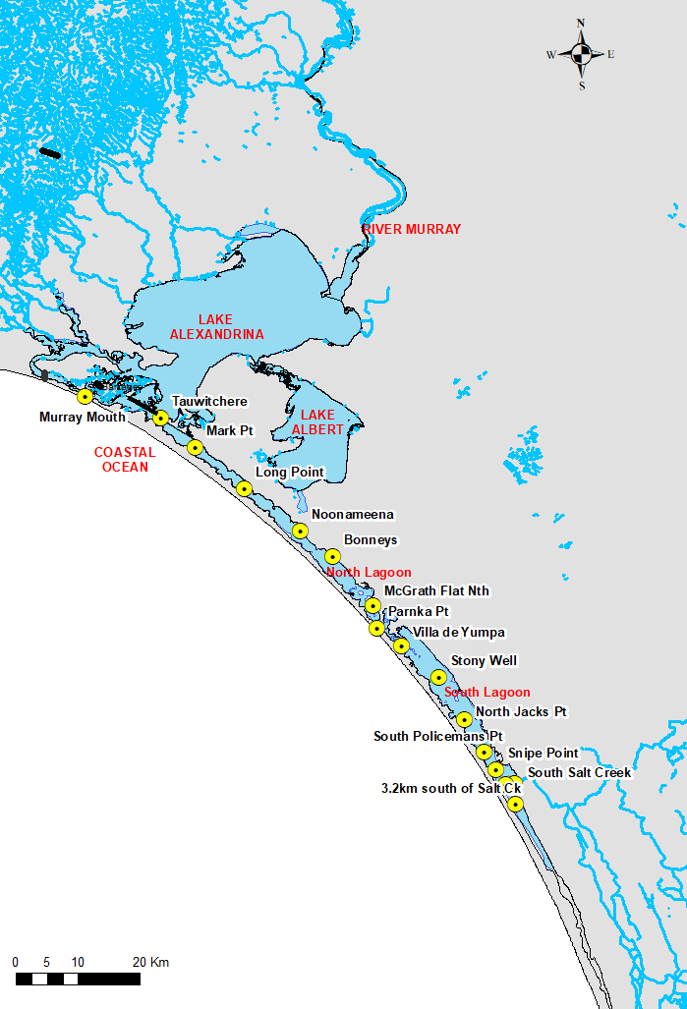
 | Fux | UA Sed Flux | Coorong Sediment Quality survey Mar20 Lab Results.xlsx |  |  | Site |  | Y | Num. Vars |  | End Date | Total Samples at Site
 | Fux | UA Sed Flux | Coorong_March_2020_final FIeld Results and Photos.xlsx |  |  | Tauwitchere |  | 6059692 | 45 |  | 2019-06-13 | 1579
 | Fux | UA Sed Flux | Fe data (Coorong February 2021).xlsx |  |  | North_Jacks_Pt |  | 6010972 | 46 |  | 2019-12-16 | 1710
 | Fux | UA Sed Flux | Fe data (November 2020).xlsx |  |  | South_Policemans_Pt |  | 6005680 | 43 |  | 2019-12-16 | 1248
 | Fux | UA Sed Flux | Fluxes February 2021.xlsx |  |  | South_Salt_Creek |  | 6000594 | 43 |  | 2016-01-05 | 1086
 | Fux | UA Sed Flux | Macrobenthic_and_sediment_data_Orlando_Sabine.xlsx
 | Fux | UA Sed Flux | Oxygen and nutrient fluxes Nov 2020 (Parnka Point).xlsx
 | Fux | UA Sed Flux | S data (Coorong February 2021).xlsx
 | Fux | UA Sed Flux | S data (November 2020).xlsx
 | Fux | UA Sed Flux | sediment core information and incubation time February 2021.xlsx
 | Fux | UA Sed Flux | UNI012-SS-K5799 Sediment Results Feb-Mar 2021 Leslie_Luke.xlsx
 |  |  |  |  |  | Mark_Pt | 325762 | 6054914 | 43 | 1998-01-07 | 2016-01-05 | 918
 |  |  |  |  |  | Long_Point | 333756 | 6048260 | 45 | 1998-01-07 | 2019-12-16 | 1764
 | WQ | UA Logger |  |  |  | Noonameena | 342849 | 6041481 | 40 | 1998-01-07 | 2005-03-08 | 739
 | Ruppia |  | Ruppia 2016 data.xlsx |  | data\incoming\TandI_2\UA_Ruppia\ORH Ruppia | Bonneys | 347969 | 6037304 | 40 | 1998-01-07 | 2011-06-14 | 1042
 | Ruppia |  | Ruppia core data 1999-2015 (taken every July)_CC.xls |  | data\incoming\TandI_2\UA_Ruppia\Ruppia | McGrath_Flat_Nth | 354600 | 6029390 | 43 | 1998-01-07 | 2019-12-16 | 1444
 | Ruppia |  | Research data compile (Arcmap compatible).xls |  | data\incoming\TandI_2\UA_Ruppia\Ruppia | Parnka_Pt | 355237 | 6025730 | 43 | 1998-01-07 | 2019-12-16 | 1718
 | Ruppia |  | 01FEB2021 Aquatic Plant seasonal sampling.xlsx |  | data\incoming\TandI_2\UA_Ruppia\Ruppia_2-3-3_Database | Villa_de_Yumpa | 359175 | 6022894 | 46 | 1998-01-07 | 2019-12-16 | 1520
 |  |  |  |  |  | Stony_Well | 365104 | 6017790 | 43 | 1998-01-07 | 2019-12-16 | 1453
 |  |  |  |  |  | Salt_Creek_1p8km_west | 375882 | 6000470 | 20 | 2014-07-21 | 2019-12-16 | 689
 |  |  |  |  |  | Salt_Creek_3p2km_west | 377570 | 5997290 | 20 | 2014-07-21 | 2019-12-16 | 734
 |  |  |  |  |  | Murray_Mouth | 308015 | 6063155 | 15 | 2012-09-12 | 2016-01-05 | 94
 |  |  |  |  |  | Snipe_Point | 374406 | 6002900 | 20 | 2014-07-21 | 2019-12-16 | 676

Site |  |  | X
VH |  |  | 285693.7166

 | Hydro |  |  | Victor Harbor Tidal Data |  | DEW | Claire Sims |  |  |  |  |  | data\store\hydro\dew_tide_VH.mat
 | Hydro | DEW Salt Creek | FINAL_compiledSaltCkData_1990-2021.xlsx | Salt Creek Flow |  | DEW | Claire Sims |  |  |  |  | Imported | data\store\hydro\dew_saltcreek.mat
 | Hydro | DEW Barrage | FINAL_compiledBarragesData_1990-2021.xlsx | Barrage Flow | data\incoming\DEW\barrages | DEW | Claire Sims |  |  |  |  | Imported | data\store\hydro\dew_barrage.mat | dew_barrage
 | WQ |  | ALS Results | Raw Coorong WQ Sampling -Multiple Files | data\incoming\DEW\wq\WQ_HCHB_Phase1 | DEW | Matt Gibbs
 | WQ |  | AWQC Results | Raw Coorong WQ Sampling -Multiple Files | data\incoming\DEW\wq\WQ_HCHB_Phase1 | DEW | Matt Gibbs
 | WQ |  | EC Profile Data | Raw Coorong WQ Sampling -Multiple Files | data\incoming\DEW\wq\WQ_HCHB_Phase1 | DEW | Matt Gibbs |  |  | Completed

Old Name |  |  | New Name |  | Units | Conversion
AMPA_ug_L |  |  | Ignore |  | Ignore | 1
Acidity_as_Calcium_Carbonate_mg_L |  |  | Acidity_CACO3 |  | mg/L | 1
Aldrin_ug_L |  |  | Ignore |  | Ignore | 1
Algae_Total_cells_mL |  |  | Algae_Cells |  | /mL | 1
Alkalinity_as_Calcium_Carbonate_mg_L |  |  | Alkalinity |  | mg/L | 1
Aluminium_Soluble_mg_L |  |  | Ignore |  | Ignore | 1
Aluminium_Total_mg_L | ADV |  | ADV data 1-3FEB21_formatted | UDV Data - Multiple File Files | data\incoming\UA\wave | UA |  |  |  | Completed
Ammonia_as_N_mg_L | ADV |  | ADV data 1-3MAR21_formatted | UDV Data - Multiple File Files | data\incoming\UA\wave | UA |  |  |  | Completed
Antimony_Total_mg_L | Wave |  | Wave data DEC20 - MAR21.csv | Wave Height | data\incoming\UA\wave | UA |  |  |  | Completed
Arsenic_Inorganic_mg_L |  |  | Ignore |  | Ignore | 1
Atrazine_ug_L |  |  | Ignore |  | Ignore | 1
Azinphos_methyl_ug_L |  |  | Azinphos_methyl |  | ug/L | 1
Bicarbonate_mg_L |  |  | Bicarbonate |  | mg/L | 1
Blue_Green_Algae_Total_cells_mL |  |  | Blue_Green_Algae_Total_cells |  | /mL | 1
Cadmium_Total_mg_L |  |  | Ignore |  | Ignore | 1
Calcium_Hardness_as_CaCO3_mg_L |  |  | Calcium_Hardness |  | mg/L | 1
Calcium_mg_L |  |  | Ignore |  | Ignore | 1
Carbon_Dioxide_Free_mg_L | Met | BOM | Raw | Raw Bom export | data\incoming\BOM\Raw - Multiple Files | BOM |  |  |  | Ongoing |  | Imported | data\store\metocean\bom_metdata_sorted.mat
Carbonate_hardness_as_CaCO3_mg_L |  |  | Carbonate_hardness |  | mg/L | 1
Carbonate_mg_L |  |  | Carbonate |  | mg/L | 1
NRM | Met | NRM | Narrung | NRM Nurrung export | data\incoming\NRM\Narrung - Multiple Files | NRM |  |  |  | Ongoing | NRM_metdata | Imported | data\store\metocean\dew_wind_raw.mat | NRM_metdata
Carbonate_hardness_as_CaCO3_mg_L |  |  | Carbonate_hardness |  | mg/L | 1
Carbonate_mg_L |  |  | Carbonate |  | mg/L | 1
Copper_Total_mg_L | Ignore |  |  |  | Ignore | 1
DDD_ug_L | DDD |  |  |  | ug/L | 1
DDE_ug_L | DDE |  |  |  | ug/L | 1
DDT_ug_L | DDT |  |  |  | ug/L | 1
Diazinon_ug_L | Diazinon |  |  |  | ug/L | 1
Dieldrin_ug_L | Dieldrin |  |  |  | ug/L | 1
Dissolved_Organic_Carbon_mg_L | WQ_OGM_DOC |  |  |  | mmol/m^3 | 83.333333
Dissolved_Oxygen_mg_L | WQ_OXY_OXY |  |  |  | mmol/m^3 | 31.25
Dissolved_solids_by_calculation_mg_L | Dissolved_solids |  |  |  | mg/L | 1
Endosulfan_1_ug_L | Ignore |  |  |  | Ignore | 1
Endosulfan_2_ug_L | Ignore |  |  |  | Ignore | 1
Endosulfan_Sulphate_ug_L | Ignore |  |  |  | Ignore | 1
Endosulfan_ug_L | Ignore |  |  |  | Ignore | 1
Endrin_ug_L | Ignore |  |  |  | Ignore | 1
Fenitrothion_ug_L | Ignore |  |  |  | Ignore | 1
Fixed_Solids_mg_L | Fixed_solids |  |  |  | mg/L | 1
Fluoride_mg_L | Fluoride |  |  |  | mg/L | 1
Geosmin_MIB_producing_BGA_Total_cells_mL | Ignore |  |  |  | Ignore | 1
Glyphosate_ug_L | Ignore |  |  |  | Ignore | 1
Heptachlor_Epoxide_ug_L | Ignore |  |  |  | Ignore | 1
Heptachlor_ug_L | Ignore |  |  |  | Ignore | 1
Hexazinone_ug_L | Ignore |  |  |  | Ignore | 1
Ion_balance_perc | Ignore |  |  |  | Ignore | 1
Iron_Soluble_mg_L | Ignore |  |  |  | Ignore | 1
Iron_Total_mg_L | Iron_Total |  |  |  | mg/L | 1
Langelier_Index__ | Ignore |  |  |  | Ignore | 1
Lead_Total_mg_L | Ignore |  |  |  | Ignore | 1
Lindane_ug_L | Ignore |  |  |  | Ignore | 1
Magnesium_Hardness_as_CaCO3_mg_L | Ignore |  |  |  | Ignore | 1
Magnesium_mg_L | Ignore |  |  |  | Ignore | 1
Malathion_ug_L | Ignore |  |  |  | Ignore | 1
Mercury_Total_mg_L | Mercury_Total |  |  |  | mg/L | 1
Methoxychlor_ug_L | Methoxychlor |  |  |  | ug/L | 1
Nickel_Total_mg_L | Ignore |  |  |  | Ignore | 1
Nitrate__Nitrite_as_NO3_mg_L | WQ_NIT_NIT |  |  |  | mmol/m^3 | 16.129032258
Nitrate__Nitrite_as_N_mg_L | WQ_NIT_NIT |  |  |  | mmol/m^3 | 71.428571429
Nitrate_as_Nitrogen_mg_L | WQ_NIT_NIT |  |  |  | mmol/m^3 | 71.428571429
Nitrite_as_Nitrogen_mg_L | WQ_NIT_NIT |  |  |  | mmol/m^3 | 71.428571429
Nitrogen_Total_mg_L | WQ_DIAG_TOT_TN |  |  |  | mmol/m^3 | 71.428571429
Noncarbonate_hardness_as_CaCO3_mg_L | Ignore |  |  |  | Ignore | 1
Parathion_methyl_ug_L | Ignore |  |  |  | Ignore | 1
Parathion_ug_L | Ignore |  |  |  | Ignore | 1
Phaeophytin_a_ug_L | Ignore |  |  |  | Ignore | 1
Phosphorus_Filterable_Reactive_as_P_mg_L | WQ_PHS_FRP |  |  |  | mmol/m^3 | 32.258064516
Phosphorus_Total_mg_L | WQ_DIAG_TOT_TP |  |  |  | mmol/m^3 | 32.258064516
Potassium_mg_L | Ignore |  |  |  | Ignore | 1
Prometryne_ug_L | Ignore |  |  |  | Ignore | 1
Selenium_Total_mg_L | Ignore |  |  |  | Ignore | 1
Silica_Reactive_mg_L | WQ_SIL_RSI |  |  |  | mmol/m^3 | 35.587188612
Silver_Total_mg_L | Ignore |  |  |  | Ignore | 1
Simazine_ug_L | Ignore |  |  |  | Ignore | 1
Sodium_Adsorption_Ratio_Calculation__ | Ignore |  |  |  | Ignore | 1
Sodium_Total_cations_ratio_perc | Ignore |  |  |  | Ignore | 1
Sodium_mg_L | Ignore |  |  |  | Ignore | 1
Sulphate_mg_L | Sulphate |  |  |  | mg/L | 1
Suspended_Solids_mg_L | WQ_DIAG_TOT_TSS |  |  |  | mg/L | 1
TKN_as_Nitrogen_mg_L | WQ_DIAG_TOT_TKN |  |  |  | mmol/m^3 | 71.428571429
TN | WQ_DIAG_TOT_TN |  |  |  | mmol/m^3 | 71.428571429
Temperature_at_which_pH_is_measured_celsius | TEMP |  |  |  | degrees | 1
Temperature_celsius | TEMP |  |  |  | degrees | 1
Total_Dissolved_Solids_by_EC_mg_L | WQ_DIAG_TOT_TSS |  |  |  | mg/L | 1
Total_Dissolved_Solids_by_evaporation_mg_L | WQ_DIAG_TOT_TSS |  |  |  | mg/L | 1
Total_Hardness_as_CaCO3_mg_L | Total_Hardness |  |  |  | mg/L | 1
Total_Organic_Carbon_mg_L | WQ_DIAG_TOT_TOC |  |  |  | mmol/m^3 | 83.333333
Trifluralin_ug_L | Ignore |  |  |  | Ignore | 1
Turbidity_NTU | WQ_DIAG_TOT_TURBIDITY |  |  |  | NTU | 1
Vinclozolin_ug_L | Ignore |  |  |  | Ignore | 1
Volatile_Suspended_Solids_mg_L | Ignore |  |  |  | Ignore | 1
Zinc_Soluble_mg_L | Ignore |  |  |  | Ignore | 1
Zinc_Total_mg_L | Ignore |  |  |  | Ignore | 1
pH_pH_units | pH |  |  |  | - | 1

